Table 18
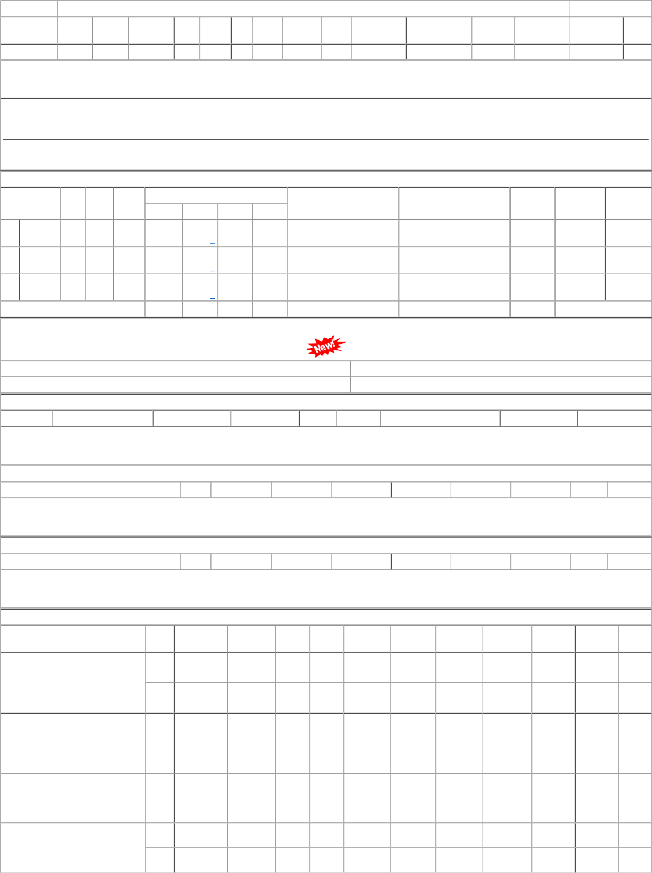
COMERCIAL PRIVATE LIMITED-KOLKATA PO-CAT:[ Reg ] P.O.No.52215446100833 dt.10/08/21 on M/s.ALEENA COMERCIAL PRIVATE LIMITED-KOLKATA PO-CAT:[ Reg ] P.O.No.52211310100781 dt.25/07/21 on M/s.PACKING HOUSE-MUMBAI PO-CAT:[ Reg ] P.O.No.04213334102773 dt.22/06/21 on M/s.HELIFEX MACHINE AND TOOLS- JAIPUR PO-CAT:[ Reg ] | 002 003 001 001 002 | BVPW SSE/CR- store/PL PL-CR PL-CR BVPW | 47.20 44.80 50.40 44.24 44.24 | 2400 840 4000 7736 1200 | Nos. 0 Nos. 0 Nos. 0 Nos. 0 Nos. 0 | 0 840 0 0 0 | 2400 0 4000 7736 1200 | 31/12/22 24/09/21 14/08/21 30/04/22 30/04/22 | 01/10/22 31/12/22 OP 24/09/21 OP 14/08/21 OP 01/04/22 15/05/22 OP 01/04/22 15/05/22 OP

